Sheet1
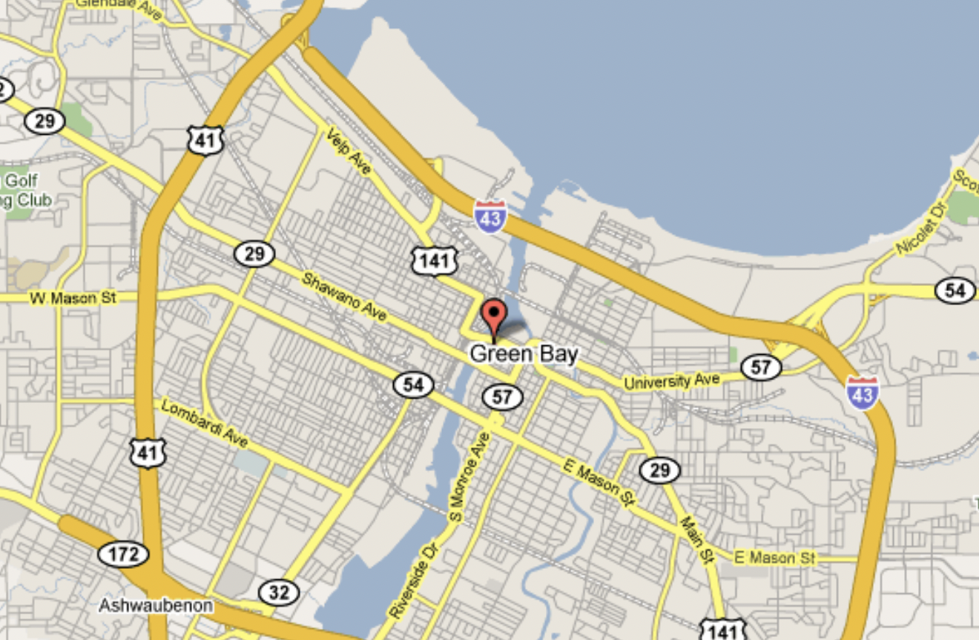
Average High/Low in °F | January | February | March | April | May | June | July | August | September | October | November | December
Average Monthly high in °F:
Average Monthly low in °F:


What's The Average High Temp in Green Bay? | 53.5
What's the Average Low in Green Bay? | 34.8
What's the Average Temperature in Green Bay? | 44.15

